Sheet1
Palavra | Significado | Exemplo
Leather | comes from animals, to wear, there is in sofa
Worth | valer | It's something worth celebrating.
Afford | proporcionar, dar | I can't afford it.
Wear | vestir, desgastar | They always wear you down.
Fuss | discutir | Do they make a fuss about everything?
Appetizer | Aperitivo
Beverage | Bebida
It's no use trying to | Não adianta tentar
It baffles me. | I can't understand | It baffles me.
get along with | se dar bem com
get over it | deixe isso para trás | I guess it will take some time for me to get over it.
Counter | Balcão | There was only one counter open, so I had to stand in line for twenty minutes.
ATM | Caixa Eletrônico | We can go to the ATM another time.
everybody else | Todos os outros | Is everybory else going to wait here too?
owes | Deve | He always pays for things, I owe him so much money!
duty | obrigação
remarkable | notável, extraordinário | You've made some quite remarkable progress since I last saw you.
to stand up to | suportar, enfrentar, aguentar | You have to be able to stand up to a lot of pressure in this .
I'm glad you stood up for yourself. | se defender | I'm glad you stood up for yourself.
spoil | Estragar
to cool down | Esfriar
to chill out | Esfriar
squawk | Guinchar, granir | People are going to squawk if you bring in the new rules.
screech | guincho, grito penetrante | The car came screeching to a halt and the one behind went right into it.
scream | o grito | There's a good painting by Edvard Munch called 'The Scream'
blare | estrondosa | We couldn't talk because music was blaring out from the next room.
Squeal | gritar | The pig broke its leg and squealed with pain
held back | retido | The fierce dog was held back with difficulty.
tied down | amarrada | She feels tied down.
pestering | importunando | Stop bugging me! You've been pestering me about it for hours.
drill | furar | Can you stop drilling a moment? I'm on the phone.
Must Have | to express conclusions or inferences about the past | Sally lost her job. She must have been very upset!
Could Have | to talk about past events which did not happen | He could have said goodbye if he had wanted to. But he left without a word.
Should have | to make recommendations directed at the past | You should have converted to Buddhism. But you didn’t.
Would Have | to talk about events and their results that did not occur | I would have come to work if I had known it was busy.
Branch | Filial
Cornerstone | Pilar
wisdom | Sabedoria
bewildering | Desconcertante, surpreendente
worn, shabby | Desgastada (o)
Reported Speech | 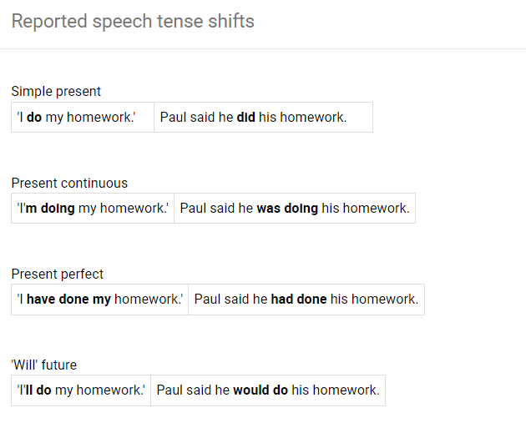
slimmer | mais magro | He used to be slimmer than he is now.
stubborn | Teimoso
keen | ansioso (a), forte, afiado (a) | She has a keen mind.
Shrewd | Astuto, Perspicaz | He is shrewd.
Crafty | Astuta | She is crafty.
Cunning | Ardilosa | She is cunning.
We might as well | Nós também podemos
Dispersed | Disperso | Famous works of art are dispersed all over the world.
Wast | Desperdício
Venue | Ponto de Encontro, Local de Reunião, forum
 | 